Sheet1
GRU | [ Gated Recurrent Unit - 2015 variant ]

 | - Keras & tensorflow provides API to convert textual data to numerical data .

1 | Peephole

 | - Approximately closely to LSTM
 | - Advantage is they have connected previous channel to forget , input & output gate .

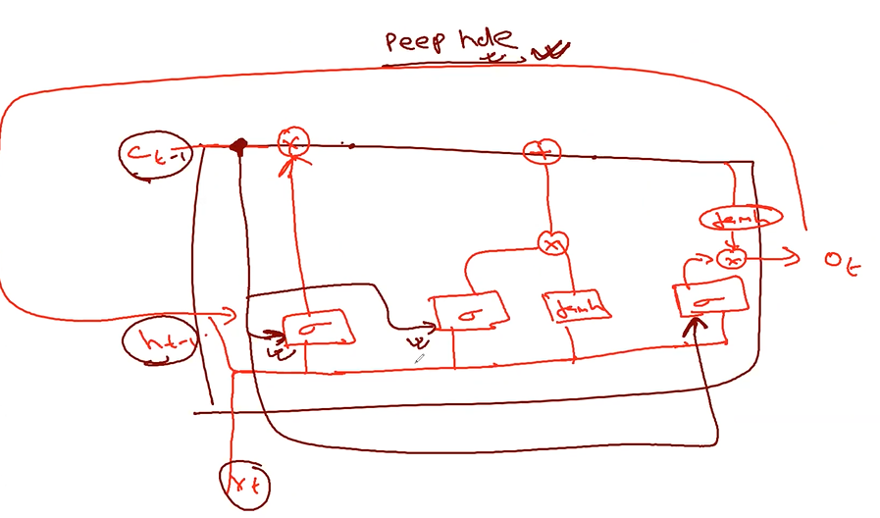

2 | Depth GRU |  | - Depth GRU is influenced by LSTM [ 2015 ] .
 |  |  |  |  |  | * No need to remember this architecture
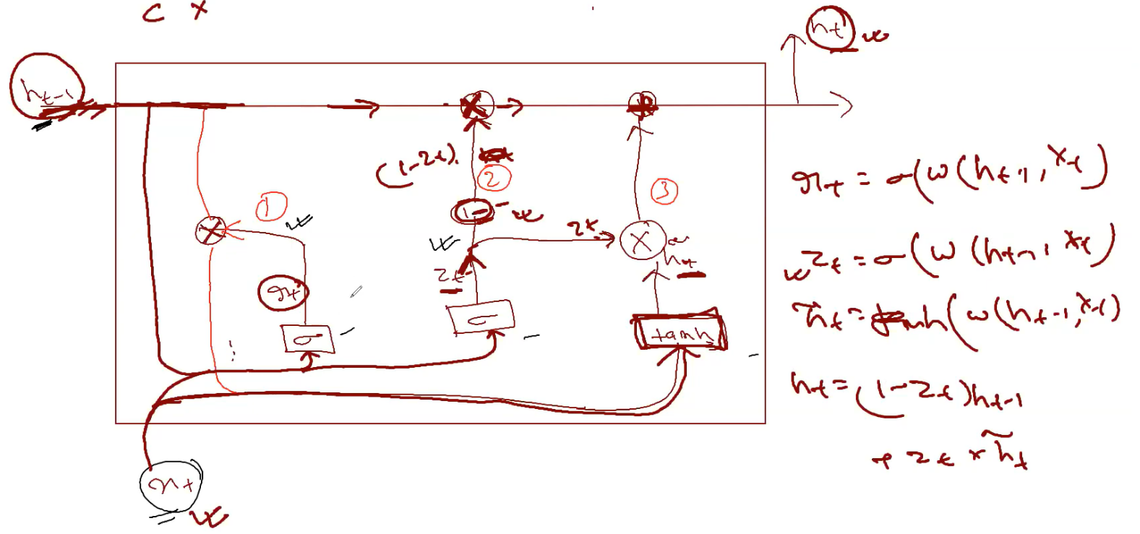

 | - Idea here is to : how best possible way I will be able to remember the contextual information from the previous sentences .
 | - No 'C' channel here only 'h'
 |  | h-1 : Previous output as input
 | - There are 3 gates .
 | - Combine forget gate + input gate } update gate .
 | - Same input for in forget gate & input gate .
 | - Previous output ht-1 behaves as a memory .
 |  | - In 'C' channel , it remembers previous to previous to previous .
 |  | - here only keep previous outcome ht-1 , because ht-1 would have dependent on ht-2,ht-3,….......

 | - Output dependency :

 |  | Here |  | LSTM

 |  | Input gate |  | Input gate | Not dependent on input
 |  | output gate |  | current input
 |  | previous output |  | previous outcome

a | What is the input for tanh ?

 |  | ht-1,xt | forget gate output

b | What scenario we can use GRU ?

 | - Can test with all the variants
 |  | Speech recognition
 |  | Text classification
 | - then finalize
 | - here we have to remember only previous one .

c | LSTM is popular compared to GRU ?
 |  | GRU

d | Which variant to use .

 |  | Try to use all variants and then decide .

3 | GRU | Original - 2014

 | - Only change in Input gate
 | - is removed , is reutilized .

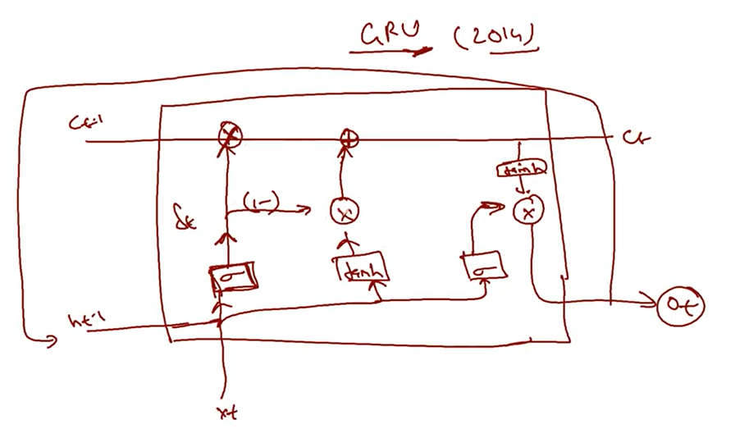

Q | What is the difference between LSTM , GRU , Peephole & DGRU ?

 | - Base architecture is LSTM
 | - Peephole : Added memory as input to other gate .
 | - GRU : Remove input NN & combined with forget gate .
 | - Depth GRU :
 |  | No 'C' channel
 |  | Utilizes previous output as Memory .
 |  | Other drastic changes .
Q | - LSTM research paper [ Don't go through ]

 |  | http://www.bioinf.jku.at/publications/older/2604.pdf

 | - Good one | https://paperswithcode.com/method/lstm

 | - LSTM is popular & stable

 | Even these are not relevant these days as Transformers came into picture as they are advanced .

 | - GRU research paper

 |  | https://arxiv.org/pdf/1508.03790v2.pdf

Bi-LSTM

 | - Contextual relation . Whether I am talking about Science , Space , etc

 | - Learning the context in both the direction .
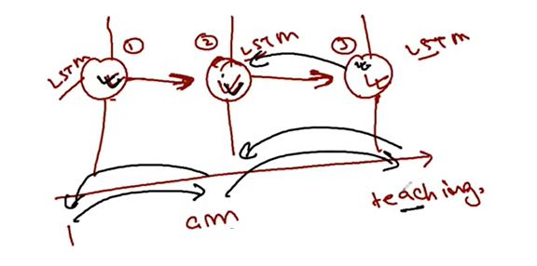

 | - By this the new concept Bi-LSTM is introduced .

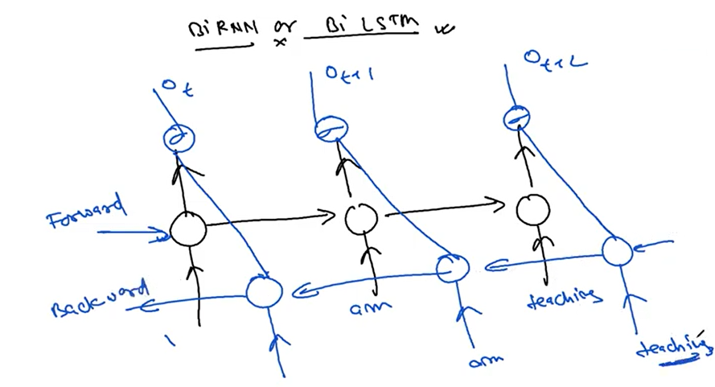

 |  |  |  |  |  |  | LSTM

 |  | - Forward & Backward Learning

 |  | - Very Very popular because of the effectiveness .
 |  | - Understands contextual information in both the directions . So better than LSTM .
 |  | - Always to go ahead with Bi-LSTM for any kind of textual data .
 |  |  | Say Sentiment analysis , or timeseries where context is involved .
Stacked-LSTM

 | - Once LSTM above another .
 | - LSTM stack one above other .
 | - Same like Stacked bi-LSTM

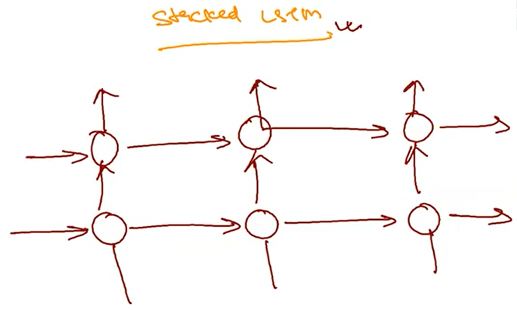

Summary of RNN

 | LSTM
 | Peephole
 | GRU
 | Deep GRU
 | Bi-LSTM
 | Stacked LSTM

 | Interview question .
 | Architecture wise remember only LSTM
 | Then explain one by one .

